Centerline
Centerline concentration vs. distance (y = 0)
Transient snapshot at t = 33 yr

x (ft) | PCE | TCE | DCE | VC
0 | 1.000E-01 | 1.580E+01 | 9.850E+01 | 3.100E+00
20 | 7.487E-02 | 1.261E+01 | 8.857E+01 | 9.741E+00
40 | 5.605E-02 | 1.007E+01 | 7.943E+01 | 1.499E+01
60 | 4.195E-02 | 8.033E+00 | 7.105E+01 | 1.904E+01
80 | 3.136E-02 | 6.401E+00 | 6.335E+01 | 2.205E+01
100 | 2.339E-02 | 5.089E+00 | 5.627E+01 | 2.415E+01
120 | 1.741E-02 | 4.037E+00 | 4.979E+01 | 2.547E+01
140 | 1.293E-02 | 3.196E+00 | 4.390E+01 | 2.615E+01
160 | 9.586E-03 | 2.525E+00 | 3.861E+01 | 2.629E+01
180 | 7.099E-03 | 1.993E+00 | 3.387E+01 | 2.602E+01
200 | 5.253E-03 | 1.572E+00 | 2.966E+01 | 2.543E+01
220 | 3.884E-03 | 1.238E+00 | 2.593E+01 | 2.460E+01
240 | 2.871E-03 | 9.752E-01 | 2.265E+01 | 2.359E+01
260 | 2.121E-03 | 7.678E-01 | 1.976E+01 | 2.247E+01
280 | 1.567E-03 | 6.044E-01 | 1.723E+01 | 2.127E+01
300 | 1.158E-03 | 4.757E-01 | 1.501E+01 | 2.003E+01
320 | 8.552E-04 | 3.744E-01 | 1.307E+01 | 1.878E+01
340 | 6.318E-04 | 2.947E-01 | 1.138E+01 | 1.753E+01
360 | 4.668E-04 | 2.320E-01 | 9.900E+00 | 1.631E+01
380 | 3.450E-04 | 1.827E-01 | 8.613E+00 | 1.513E+01
400 | 2.550E-04 | 1.438E-01 | 7.490E+00 | 1.399E+01
420 | 1.885E-04 | 1.133E-01 | 6.512E+00 | 1.290E+01
440 | 1.394E-04 | 8.921E-02 | 5.659E+00 | 1.187E+01
460 | 1.031E-04 | 7.027E-02 | 4.916E+00 | 1.088E+01
480 | 7.626E-05 | 5.536E-02 | 4.268E+00 | 9.955E+00
500 | 5.642E-05 | 4.362E-02 | 3.703E+00 | 9.078E+00
520 | 4.175E-05 | 3.437E-02 | 3.209E+00 | 8.252E+00
540 | 3.090E-05 | 2.708E-02 | 2.778E+00 | 7.475E+00
560 | 2.287E-05 | 2.133E-02 | 2.401E+00 | 6.745E+00
580 | 1.693E-05 | 1.679E-02 | 2.070E+00 | 6.060E+00
600 | 1.253E-05 | 1.322E-02 | 1.781E+00 | 5.419E+00

Breakthrough
Receptor 1
 | Receptor 1 |  |  |  | Receptor 2 |  |  |  | Receptor 3
t (yr) | PCE | TCE | DCE | VC | PCE | TCE | DCE | VC | PCE | TCE | DCE | VC
0 | 0.000E+00 | 0.000E+00 | 0.000E+00 | 0.000E+00 | 0.000E+00 | 0.000E+00 | 0.000E+00 | 0.000E+00 | 0.000E+00 | 0.000E+00 | 0.000E+00 | 0.000E+00
1.5 | 8.190E-09 | 1.484E-06 | 1.163E-05 | 1.983E-06 | 2.136E-24 | 3.889E-22 | 3.071E-21 | 5.374E-22 | 2.615E-49 | 4.767E-47 | 3.771E-46 | 6.646E-47
3 | 7.042E-05 | 1.444E-02 | 1.382E-01 | 4.120E-02 | 7.417E-12 | 1.548E-09 | 1.523E-08 | 4.808E-09 | 1.992E-23 | 4.178E-21 | 4.142E-20 | 1.327E-20
4.5 | 9.251E-04 | 2.112E-01 | 2.403E+00 | 9.966E-01 | 6.486E-08 | 1.543E-05 | 1.866E-04 | 8.481E-05 | 4.728E-15 | 1.138E-12 | 1.398E-11 | 6.516E-12
6 | 2.522E-03 | 6.295E-01 | 8.274E+00 | 4.293E+00 | 4.039E-06 | 1.088E-03 | 1.595E-02 | 9.440E-03 | 4.671E-11 | 1.286E-08 | 1.942E-07 | 1.191E-07
7.5 | 3.862E-03 | 1.032E+00 | 1.522E+01 | 9.258E+00 | 3.542E-05 | 1.072E-02 | 1.878E-01 | 1.365E-01 | 8.194E-09 | 2.570E-06 | 4.731E-05 | 3.609E-05
9 | 4.634E-03 | 1.298E+00 | 2.089E+01 | 1.424E+01 | 1.192E-04 | 4.011E-02 | 8.273E-01 | 7.097E-01 | 1.930E-07 | 6.870E-05 | 1.528E-03 | 1.397E-03
10.5 | 5.000E-03 | 1.444E+00 | 2.470E+01 | 1.824E+01 | 2.380E-04 | 8.786E-02 | 2.098E+00 | 2.062E+00 | 1.458E-06 | 5.858E-04 | 1.561E-02 | 1.666E-02
12 | 5.155E-03 | 1.515E+00 | 2.699E+01 | 2.105E+01 | 3.516E-04 | 1.404E-01 | 3.808E+00 | 4.186E+00 | 5.478E-06 | 2.466E-03 | 7.799E-02 | 9.515E-02
13.5 | 5.216E-03 | 1.547E+00 | 2.827E+01 | 2.287E+01 | 4.357E-04 | 1.851E-01 | 5.592E+00 | 6.736E+00 | 1.308E-05 | 6.547E-03 | 2.431E-01 | 3.335E-01
15 | 5.239E-03 | 1.561E+00 | 2.895E+01 | 2.397E+01 | 4.880E-04 | 2.171E-01 | 7.153E+00 | 9.277E+00 | 2.309E-05 | 1.272E-02 | 5.479E-01 | 8.330E-01
16.5 | 5.248E-03 | 1.567E+00 | 2.930E+01 | 2.462E+01 | 5.168E-04 | 2.373E-01 | 8.361E+00 | 1.149E+01 | 3.324E-05 | 1.991E-02 | 9.812E-01 | 1.632E+00
18 | 5.251E-03 | 1.570E+00 | 2.948E+01 | 2.499E+01 | 5.312E-04 | 2.490E-01 | 9.214E+00 | 1.324E+01 | 4.169E-05 | 2.681E-02 | 1.489E+00 | 2.679E+00
19.5 | 5.252E-03 | 1.571E+00 | 2.957E+01 | 2.519E+01 | 5.379E-04 | 2.553E-01 | 9.776E+00 | 1.453E+01 | 4.778E-05 | 3.252E-02 | 2.001E+00 | 3.852E+00
21 | 5.252E-03 | 1.571E+00 | 2.962E+01 | 2.530E+01 | 5.409E-04 | 2.585E-01 | 1.013E+01 | 1.542E+01 | 5.168E-05 | 3.673E-02 | 2.463E+00 | 5.020E+00
Receptor 3
22.5 | 5.253E-03 | 1.571E+00 | 2.964E+01 | 2.536E+01 | 5.422E-04 | 2.601E-01 | 1.034E+01 | 1.600E+01 | 5.397E-05 | 3.957E-02 | 2.843E+00 | 6.076E+00
24 | 5.253E-03 | 1.571E+00 | 2.965E+01 | 2.540E+01 | 5.427E-04 | 2.609E-01 | 1.046E+01 | 1.638E+01 | 5.521E-05 | 4.136E-02 | 3.134E+00 | 6.960E+00
25.5 | 5.253E-03 | 1.571E+00 | 2.965E+01 | 2.541E+01 | 5.430E-04 | 2.612E-01 | 1.053E+01 | 1.661E+01 | 5.585E-05 | 4.241E-02 | 3.344E+00 | 7.654E+00
27 | 5.253E-03 | 1.572E+00 | 2.966E+01 | 2.542E+01 | 5.430E-04 | 2.614E-01 | 1.057E+01 | 1.675E+01 | 5.616E-05 | 4.300E-02 | 3.488E+00 | 8.173E+00
28.5 | 5.253E-03 | 1.572E+00 | 2.966E+01 | 2.543E+01 | 5.431E-04 | 2.614E-01 | 1.059E+01 | 1.683E+01 | 5.631E-05 | 4.332E-02 | 3.583E+00 | 8.543E+00
30 | 5.253E-03 | 1.572E+00 | 2.966E+01 | 2.543E+01 | 5.431E-04 | 2.615E-01 | 1.060E+01 | 1.688E+01 | 5.638E-05 | 4.349E-02 | 3.643E+00 | 8.798E+00
31.5 | 5.253E-03 | 1.572E+00 | 2.966E+01 | 2.543E+01 | 5.431E-04 | 2.615E-01 | 1.061E+01 | 1.690E+01 | 5.640E-05 | 4.358E-02 | 3.680E+00 | 8.967E+00
33 | 5.253E-03 | 1.572E+00 | 2.966E+01 | 2.543E+01 | 5.431E-04 | 2.615E-01 | 1.061E+01 | 1.692E+01 | 5.642E-05 | 4.362E-02 | 3.703E+00 | 9.078E+00
34.5 | 5.253E-03 | 1.572E+00 | 2.966E+01 | 2.543E+01 | 5.431E-04 | 2.615E-01 | 1.062E+01 | 1.693E+01 | 5.642E-05 | 4.364E-02 | 3.716E+00 | 9.148E+00
36 | 5.253E-03 | 1.572E+00 | 2.966E+01 | 2.543E+01 | 5.431E-04 | 2.615E-01 | 1.062E+01 | 1.693E+01 | 5.642E-05 | 4.365E-02 | 3.724E+00 | 9.191E+00
37.5 | 5.253E-03 | 1.572E+00 | 2.966E+01 | 2.543E+01 | 5.431E-04 | 2.615E-01 | 1.062E+01 | 1.694E+01 | 5.643E-05 | 4.365E-02 | 3.729E+00 | 9.218E+00
39 | 5.253E-03 | 1.572E+00 | 2.966E+01 | 2.543E+01 | 5.431E-04 | 2.615E-01 | 1.062E+01 | 1.694E+01 | 5.643E-05 | 4.366E-02 | 3.731E+00 | 9.234E+00
40.5 | 5.253E-03 | 1.572E+00 | 2.966E+01 | 2.543E+01 | 5.431E-04 | 2.615E-01 | 1.062E+01 | 1.694E+01 | 5.643E-05 | 4.366E-02 | 3.732E+00 | 9.243E+00
42 | 5.253E-03 | 1.572E+00 | 2.966E+01 | 2.543E+01 | 5.431E-04 | 2.615E-01 | 1.062E+01 | 1.694E+01 | 5.643E-05 | 4.366E-02 | 3.733E+00 | 9.249E+00
43.5 | 5.253E-03 | 1.572E+00 | 2.966E+01 | 2.543E+01 | 5.431E-04 | 2.615E-01 | 1.062E+01 | 1.694E+01 | 5.643E-05 | 4.366E-02 | 3.734E+00 | 9.252E+00
45 | 5.253E-03 | 1.572E+00 | 2.966E+01 | 2.543E+01 | 5.431E-04 | 2.615E-01 | 1.062E+01 | 1.694E+01 | 5.643E-05 | 4.366E-02 | 3.734E+00 | 9.254E+00
46.5 | 5.253E-03 | 1.572E+00 | 2.966E+01 | 2.543E+01 | 5.431E-04 | 2.615E-01 | 1.062E+01 | 1.694E+01 | 5.643E-05 | 4.366E-02 | 3.734E+00 | 9.255E+00
48 | 5.253E-03 | 1.572E+00 | 2.966E+01 | 2.543E+01 | 5.431E-04 | 2.615E-01 | 1.062E+01 | 1.694E+01 | 5.643E-05 | 4.366E-02 | 3.734E+00 | 9.256E+00
49.5 | 5.253E-03 | 1.572E+00 | 2.966E+01 | 2.543E+01 | 5.431E-04 | 2.615E-01 | 1.062E+01 | 1.694E+01 | 5.643E-05 | 4.366E-02 | 3.734E+00 | 9.256E+00
51 | 5.253E-03 | 1.572E+00 | 2.966E+01 | 2.543E+01 | 5.431E-04 | 2.615E-01 | 1.062E+01 | 1.694E+01 | 5.643E-05 | 4.366E-02 | 3.734E+00 | 9.256E+00
52.5 | 5.253E-03 | 1.572E+00 | 2.966E+01 | 2.543E+01 | 5.431E-04 | 2.615E-01 | 1.062E+01 | 1.694E+01 | 5.643E-05 | 4.366E-02 | 3.734E+00 | 9.256E+00
54 | 5.253E-03 | 1.572E+00 | 2.966E+01 | 2.543E+01 | 5.431E-04 | 2.615E-01 | 1.062E+01 | 1.694E+01 | 5.643E-05 | 4.366E-02 | 3.734E+00 | 9.256E+00
55.5 | 5.253E-03 | 1.572E+00 | 2.966E+01 | 2.543E+01 | 5.431E-04 | 2.615E-01 | 1.062E+01 | 1.694E+01 | 5.643E-05 | 4.366E-02 | 3.734E+00 | 9.256E+00
57 | 5.253E-03 | 1.572E+00 | 2.966E+01 | 2.543E+01 | 5.431E-04 | 2.615E-01 | 1.062E+01 | 1.694E+01 | 5.643E-05 | 4.366E-02 | 3.734E+00 | 9.256E+00
58.5 | 5.253E-03 | 1.572E+00 | 2.966E+01 | 2.543E+01 | 5.431E-04 | 2.615E-01 | 1.062E+01 | 1.694E+01 | 5.643E-05 | 4.366E-02 | 3.734E+00 | 9.256E+00
60 | 5.253E-03 | 1.572E+00 | 2.966E+01 | 2.543E+01 | 5.431E-04 | 2.615E-01 | 1.062E+01 | 1.694E+01 | 5.643E-05 | 4.366E-02 | 3.734E+00 | 9.256E+00

Num_Validation
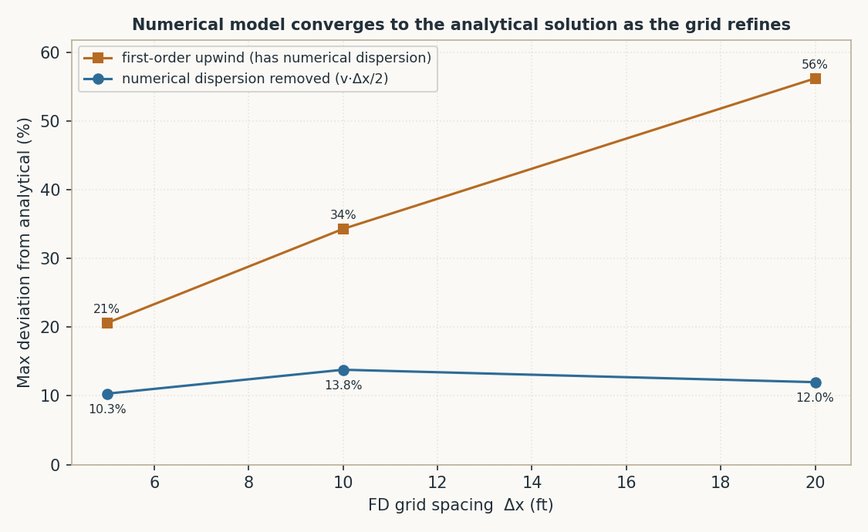
Numerical validation — analytical engine vs. an independent finite-difference model

The concentrations this tool reports come from a closed-form analytical solution. To prove that solution is correct, it was checked against a completely independent method: a finite-difference (FD) numerical solve of the same coupled 3-D advection–dispersion–reaction equations for the PCE→TCE→DCE→VC chain, written from scratch. The two methods share no code. Agreement between them is strong evidence the engine is right.
Result
Across the BIOCHLOR Cape Canaveral benchmark, the analytical tool and the independent numerical model agree to within ~10% everywhere the concentration is meaningful — visually indistinguishable on the plots below. The small residual lives in the extreme low-concentration plume tail. (The FD model is shown for evidence only; it is not part of the delivered spreadsheet.)
Reading Figure 3
A first-order numerical scheme introduces artificial 'numerical dispersion' (≈ v·Δx/2) that smears the plume on a coarse grid. Figure 3 shows that error shrinking as the grid is refined — i.e. the numerical model converging toward the analytical solution — and dropping roughly five-fold (from ~56% to ~10%) once that term is removed with a grid-Péclet correction. The ~10% residual sits in the low-concentration plume tail. This is the expected, well-understood behaviour and confirms the analytical result is the correct limit.

Figure 1 — Centerline: species concentration vs. distance
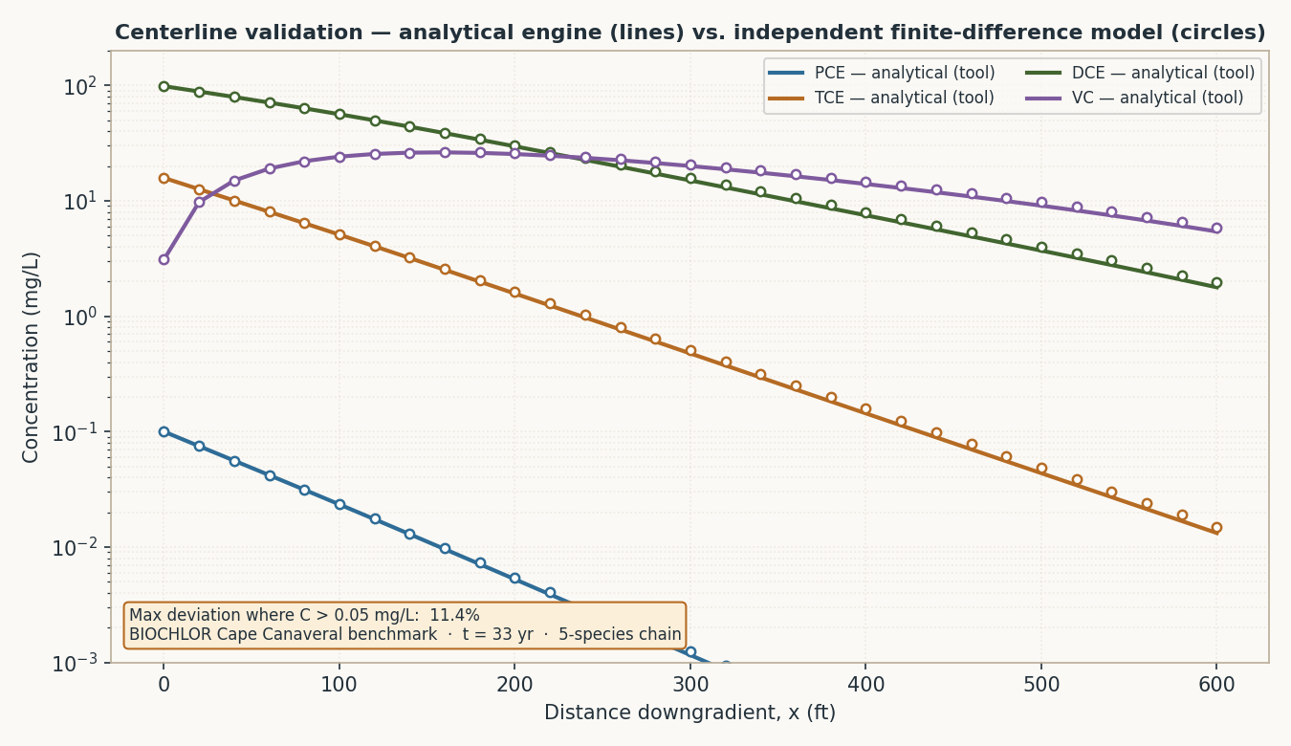

Figure 2 — 2-D plume maps: DCE and VC
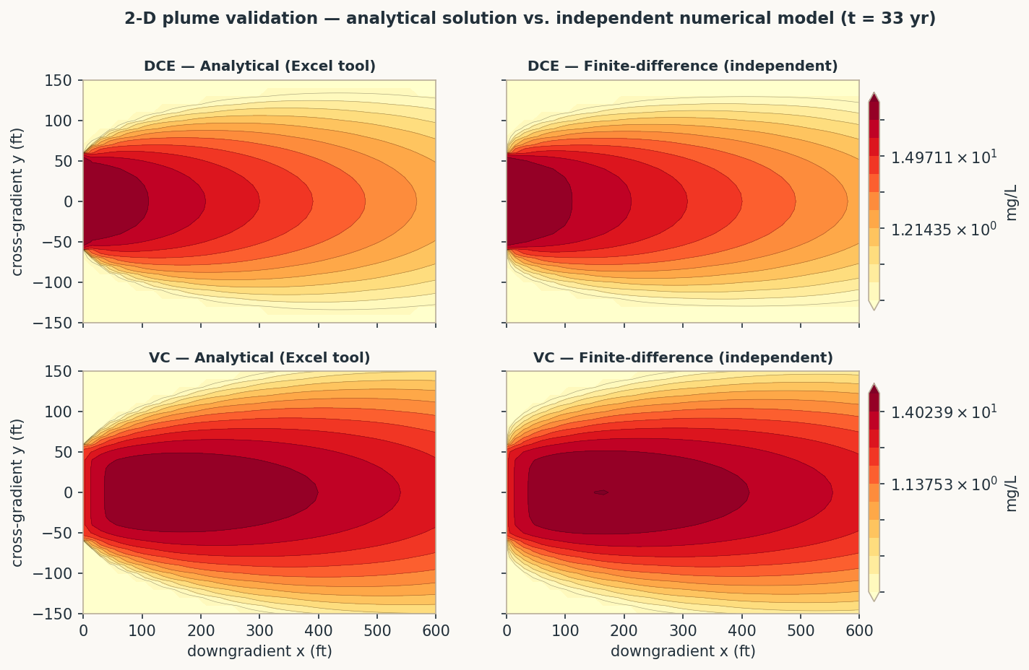

Figure 3 — Grid convergence / numerical dispersion

